EQUATIONS
PART ONE
 |  |  |  |  | EQUATION NOMENCLATURE
 | SOUND PRESSURE/SOUND POWER CALCULATOR |  |  |  | A: left to right standing wave sound pressure peak amplitude | B: right to left standing wave sound pressure peak amplitude
 | pascal | db SPL |  |  | p: density of air | λ: wave length
 | 1 | 93.979400087 | sound power |  | ω: 2π | ρ: instantaneous pressure A' and B'
 | 1.0023744673 | 94 | 2.5118864315 | mW | c: speed of sound | v: instantaneous particle volume flow
ITEM | VALUES |  |  | UNITS | t: period of standing wave | e: base of natural logarithms (2.718)
Measurement position relative to wavelength origin in cell E7. | DIAPASON | VIOLIN | STOPPED FLUTE | 0 | k: wave number = 2π / λ | S : calculated pipe cross section area
Amplitude A left to right (incident wave) | 1 | 1 | 1 | pascal
Amplitude B right to left (reflected wave) | 1 | 1 | 1 | pascal | EXCEL FORMULAE | PHYSICS EQUATIONS
Instantaneous pressure at x=0 >> 1.160 | 0.86644278231 | 0.86644278231 | 0.86644278231 | pascal | B9*SIN(EXP(-B31*%E$8)+(2*PI()*B35/1000)+$G$27) | ρ (x,t,θ) = A sin e[j(-kx+ωt + θ)]
Instantaneous particle acoustic flow >> U (x,t) | 1.2586152972E-05 | 1.0384003527E-06 | 6.6832069491E-06 | m^3/sec | (B43/10^6)*B11/(B32*B33)*SIN(EXP(-B31*$E$8)+ (2*PI()*B35/1000)+$G$27) | U (x,t,θ) = (SA/pc)sin e[j(-kx+ωt+θ)]
Instantaneous pressure << p (x,t) | 0.86644278231 | 0.86644278231 | 0.86644278231 | pascal | B10*SIN(EXP(B31*$E$8)+(2*PI()*B35/1000)+$G$27) | ρ (x,t,θ) = B sin e[j(kx+ωt+θ)]
Instantaneous particle acoustic flow << U (x,t) | 1.2586152972E-05 | 1.0384003527E-06 | 6.6832069491E-06 | m^3/sec | (B43/10^6)*B13/(B32*B33)*SIN(EXP(B31*$E$8)+ (2*PI()*B35/1000)+$G$27) | U (x,t,θ) = (SB/pc)sin e[j(kx+ωt+θ)]
Superposition (pressure) p (x,t) 8.16 | 2.1621789575 | 2.1621789575 | 2.1621789575 | pascal | B11*EXP((-B31*$E$8)+B13*EXP(B31*$E$8))*EXP(2*pi()* B35/1000) | p (x,t) = (Ae-jkx + Bejkx) e j(ωt)
Superposition (particle volume flow) U (x,t) 8.17 | 1.6841747579E-05 | 1.3895013564E-06 | 8.9429140664E-06 | m^3/sec | (B43/10^6)/(B34*B33)*(B11*EXP((-B31*$E$8)-B13*EXP(B31*$E$8))*EXP(2*PI()*B35/1000)) | U (x,t) = (S/pc) (Ae–jkx – Bejkx) ej(ωt)
ZL (x=L) p/U z1 8.18 | 128382.10212 | 1556082.6533 | 241775.66076 | kg/m^2*sec | B15/B16 | ZL = ρ(L,t) / v(L,t)
ZL (x=L) p/U z1 8.18 | -415.66329302 | -414.80655396 | -441.29789445 | kg/m^2*sec | B11*EXP(-B31*B39/1000)+B13*EXP(B31*B39/1000) /(B11/(B33*B32)*EXP(-B31*B39/1000)- B13/(B32*B33)*EXP(B31*(B39/1000))) | ZL = (Ae -jkL + Be jkL) / (S/pc)e –jkL – (S/pc)e jkL)))
Characteristic Impedance of pipe Zo 8.19 | 59646.748031 | 722961.13251 | 112329.76934 | kg/m^2*sec | B32*B33/B43/(10^6) | Zo = pc/S
Reflection Factor B/A 8.20 | 0.0015694964185 | 0.00080362257363 | 0.022834585627 |  | EXP(-2*B31*B39/1000)*(B17-B19) /(B17+B19) | B/A = e -2jkL (ZL – Zo) / (ZL + Zo)
Input Impedance 1.168 Z0 Looking in z2 Characteristic Impedance | -821.93102953 | -821.90574375 | -821.91810392 | kg/m^2*sec | B31*B32*(1+B19)/(1-B19)
Input Impedance 8.23 | 2105416.8056 | 1816626.2452 | 67294.016372 | kg/m^2*sec | B19*((B17*COS(B31*B39/1000)+B19*SIN(B31*B39/1000))/(B17*SIN(B31*B39/1000)+B19*COS(B31*B39/1000))) | ZIN = pc(ZL cos(kL) + (jpc) sin(kL) / jZL sin(kL) + pc cos(kL))
Input Z stopped (reactance) 8.24 | n/a | n/a | -77.131 | kg/m^2*sec | -D32*D33*1/TAN(B31*B39/1000) | ZIN closed end = -jpc 1/tan(kL)
Input Z open (reactance) 8.25 | -33.839 | -33.839 | n/a | kg/m^2*sec | -D32*D33*TAN(B31*B39/1000) | ZIN open end = jpc tan(kL)
Reflected Power | 0.7833 | 0.0060 | 0.3187 |  | (B17-B22)^2/(B17+B22)^2
Transmited Power | 0.2167 | 0.9940 | 0.6813 |  | 4*B17*B22/(B17+B22)^2 Degrees | 0
Reflected flow | -0.8851 | -0.0773 | 0.5645 |  | (B17-B22)/(B17+B22) Radians | 0.00000
Transmitted flow | 1.8851 | 1.0773 | 0.4355 |  | 2*B22/(B17+B22)
Z load Z2- Z input Z1 | 1977035 | 260544 | -174482 |  | B22-B17
PART TWO
wave number K | 2.391 | 2.391 | 2.391 | m | 2*PI()/(B36/1000)
Speed of Sound sea level and 20C | 343.8 | 343.8 | 343.8 | m/sec
Dry Air Density at sea level and 20°C | 1.204 | 1.204 | 1.204 | kg/m^3
True Frequency | 130.81 | 130.81 | 130.81 | Hz
Calculated True Period T | 7.64 | 7.64 | 7.64 | msec | 1/B34*1000
Calculated True Wavelength | 2628.24 | 2628.24 | 2628.24 | mm | B32/B34*1000
True Half Wavelength (quarter wavelength) | 1314.12 | 1314.12 | 657.06 | mm | B36/2 (4)
True Half Wavelength Period (quarterwave) | 3.82 | 3.82 | 1.91 | msec | B35/2 (4)
Measured Actual Pipe Length L | 1140.00 | 1280.00 | 580.00 | mm |  | 7.30
Measured Actual Pipe Diameter | 94.00 | 27.00 | n/a | mm | mm | 1241
Measured Actual Pipe Width | n/a | n/a | 55.00 | mm | Degrees | 170
Measured Actual Pipe Depth | n/a | n/a | 67.00 | mm
Calculated Cross Section Pipe Area | 6939.78 | 572.56 | 3685 | mm^2 | pi()*(B40/2)^2 (D39*D40) 1mm = 0.137 degrees | 0.137
Equivalent pipe diameter calculated from rectangular area. | n/a | n/a | 68.50 | mm | 2*(SQRT(B43/PI())) | one degree = 0.021msec
Measured Mouth Width | 64.70 | 15.22 | 54.68 | mm | Degrees | 179.47
Measured Mouth Cutup | 20.05 | 11.76 | 28.74 | mm | mm | 1310
Calculated Mouth Area | 1297.24 | 178.99 | 1571.50 | mm^2 | B45*B46
Equivalent pipe diameter calculated from mouth area. | 20.32 | 7.55 | 22.37 | mm | SQRT(B47/PI()))
Difference between true halfwave (quarterwave) pipe length and measured halfwave (quarterwave) pipe length. | 174.12 | 34.12 | 77.06 | mm | B37-B39
Calculated frequency of measured actual pipe length. | 150.79 | 134.30 | 148.19 | Hz | B32/(B39/1000)/2 (4)
Calculated period of frequency calculated from actual measured pipe length. | 3.32 | 3.72 | 3.37 | msec | 1/(2 (4)*B50)*1000
Difference between true pipe half wave (quarterwave) frequency and actual halfwave (quarterwave) frequency. | 19.98 | 3.49 | 17.38 | Hz | B50-B34
Calculated Pipe end correction. | 28.83 | 8.28 | n/a | mm | 0.6133*B40/2
Calculated Mouth Correction | 141.06 | 31.33 | 68.05 | mm | 2.3*(B40 (D42)/2)^2/SQRT(B45*B46)
Alternative Calculated Mouth Correction | 141.32 | 31.39 | 68.18 | mm | 1.3*(B43/B47)*B48
...
PART ONE
% error between true and calculated frequencies. | -0.32% | 0.42% | -1.39% | % | 1-(B61/B34)
% error between true and calculated actual pipe lengths. | 0.32% | -0.42% | 1.37% | % | 1-(B60/B36)
Period difference between actual pipe length and end corrected pipe length. | 422.61 | 75.16 | n/a | usec | (B38-B67)*1000
Frequency reduction due to top end corrections only. | 16.26 | 2.62 | n/a | Hz | B56-B34
Frequency reduction due to mouth correction only. | 3.38 | 0.28 | 1.82 | Hz | B57-B34
Calculated halfwave period with End Correction only. | 3.40 | 3.75 | n/a | msec | 1/B56*1000/2
Calculated halfwave period with Mouth Correction only. | 3.73 | 3.81 | 3.77 | msec | 1/B57*1000/2
Calculated quarter wavelength period with mouth correction. | n/a | n/a | 3.77 | usec | 1/D61*1000/2
Difference in period between actual pipe length and end corrected pipe length. | 506.46 | 99.24 | n/a | usec | (B38-B51)*1000
Actual pipe half wavelength (quarter wavelength) period | 6.63 | 7.45 | 3.37 | msec | 1/B50*1000 (/2)
 | Reflected Power | Transmitted Power | Reflected Flow | Transmitted Flow
0 | 0.78332220343 | 0.21667779657 | -0.88505491549 | 1.8850549155
5 | 1.1668374315 | -0.16683743146 | -1.0802024956 | 2.0802024956
10 | 1.6487372312 | -0.64873723115 | -1.2840316317 | 2.2840316317
15 | 2.1963448703 | -1.1963448703 | -1.4820070412 | 2.4820070412
20 | 2.7296978898 | -1.7296978898 | -1.652179739 | 2.652179739
25 | 3.1283574299 | -2.1283574299 | -1.7687163226 | 2.7687163226
30 | 3.2756378727 | -2.2756378727 | -1.809872336 | 2.809872336
35 | 3.1227817777 | -2.1227817777 | -1.7671394336 | 2.7671394336
40 | 2.7203330001 | -1.7203330001 | -1.6493432027 | 2.6493432027
45 | 2.1856603872 | -1.1856603872 | -1.4783979123 | 2.4783979123
50 | 1.6387211181 | -0.6387211181 | -1.2801254306 | 2.2801254306
55 | 1.1585315419 | -0.15853154187 | -1.076351031 | 2.076351031
60 | 0.77697466327 | 0.22302533673 | -0.88146166296 | 1.881461663
65 | 0.49376170786 | 0.50623829214 | -0.70268179701 | 1.702681797
70 | 0.2937099776 | 0.7062900224 | -0.54195016155 | 1.5419501615
75 | 0.15829129106 | 0.84170870894 | -0.39785838065 | 1.3978583807
80 | 0.071303311944 | 0.92869668806 | -0.26702680005 | 1.2670268
85 | 0.020976186034 | 0.97902381397 | -0.14483157817 | 1.1448315782
90 | 0.00065337112669 | 0.99934662887 | -0.025561125302 | 1.0255611253
95 | 0.0095983031572 | 0.99040169684 | 0.097970930164 | 0.90202906984
100 | 0.055470736537 | 0.94452926346 | 0.23552226336 | 0.76447773664
105 | 0.16146353757 | 0.83853646243 | 0.40182525751 | 0.59817474249
110 | 0.38693108367 | 0.61306891633 | 0.62203784746 | 0.37796215254
115 | 0.89440059911 | 0.10559940089 | 0.94572755015 | 0.054272449851
120 | 2.221495152 | -1.221495152 | 1.4904680983 | -0.49046809829
125 | 6.9086999948 | -5.9086999948 | 2.6284406013 | -1.6284406013
130 | 42.578737812 | -41.578737812 | 6.5252385253 | -5.5252385253
135 | 1221.9550049 | -1220.9550049 | -34.956473004 | 35.956473004
140 | 32.262075346 | -31.262075346 | -5.6799714212 | 6.6799714212
145 | 11.381695785 | -10.381695785 | -3.3736768941 | 4.3736768941
150 | 6.41112706 | -5.41112706 | -2.5320203514 | 3.5320203514
155 | 4.4199689198 | -3.4199689198 | -2.1023722125 | 3.1023722125
160 | 3.4077768901 | -2.4077768901 | -1.8460164924 | 2.8460164924
165 | 2.8185720458 | -1.8185720458 | -1.6788603414 | 2.6788603414
170 | 2.4451020878 | -1.4451020878 | -1.5636822208 | 2.5636822208
175 | 2.1948094658 | -1.1948094658 | -1.4814889354 | 2.4814889354
180 | 2.0209703617 | -1.0209703617 | -1.4216083714 | 2.4216083714
185 | 1.8978542448 | -0.89785424483 | -1.3776263081 | 2.3776263081
190 | 1.8103900319 | -0.81039003188 | -1.3455073511 | 2.3455073511
195 | 1.7493924983 | -0.74939249831 | -1.3226460215 | 2.3226460215
200 | 1.7091805648 | -0.70918056482 | -1.3073563266 | 2.3073563266
205 | 1.686327376 | -0.68632737604 | -1.2985866841 | 2.2985866841
210 | 1.6789964073 | -0.6789964073 | -1.2957609376 | 2.2957609376
215 | 1.6866154257 | -0.68661542572 | -1.2986975882 | 2.2986975882
220 | 1.7097793156 | -0.70977931556 | -1.3075852995 | 2.3075852995
225 | 1.7503511432 | -0.75035114321 | -1.3230083685 | 2.3230083685
230 | 1.8117933309 | -0.81179333091 | -1.3460287259 | 2.3460287259
235 | 1.8998398314 | -0.89983983135 | -1.3783467747 | 2.3783467747
240 | 2.0237612249 | -1.0237612249 | -1.4225896193 | 2.4225896193
245 | 2.1987769814 | -1.1987769814 | -1.4828273606 | 2.4828273606
...

DIAPASON GRAPH ONE
Pipe Length 156° 1140mm I End Correction 23.3° 170mm Half Wavelength 180° 1310mm
Incident wave running left to right Transmitted Flow
Incident wave running left to right Reflected Flow

Reflected wave running right to left Transmitted Flow
Reflected wave running right to left Reflected Flow
Reflected wave running right to left Transmitted Flow

 | Z load | Z input
0 | 128382 | 2105417
5 | 139135 | -3608734
10 | 148722 | -1195947
15 | 156712 | -806959
20 | 162720 | -661723
25 | 166444 | -599489
30 | 167691 | -581809
35 | 166396 | -600204
40 | 162626 | -663518
45 | 156576 | -811163
50 | 148553 | -1209167
55 | 138939 | -3778416
60 | 128168 | 2034302
65 | 116684 | 668227
70 | 104914 | 353175
75 | 93238 | 216450
80 | 81975 | 141704
85 | 71372 | 95548
90 | 61601 | 64833
95 | 52765 | 43349
100 | 44907 | 27786
105 | 38021 | 16224
110 | 32065 | 7472
115 | 26971 | 752
120 | 22657 | -4462
125 | 19033 | -8542
130 | 16010 | -11755
135 | 13502 | -14298
140 | 11433 | -16319
145 | 9732 | -17931
150 | 8337 | -19220
155 | 7197 | -20253
160 | 6267 | -21082
165 | 5511 | -21747
170 | 4899 | -22280
175 | 4406 | -22705
180 | 4012 | -23043
185 | 3702 | -23307
190 | 3463 | -23510
195 | 3287 | -23659
200 | 3165 | -23762
205 | 3094 | -23821
210 | 3071 | -23841
215 | 3095 | -23821
220 | 3167 | -23760
225 | 3289 | -23657
230 | 3467 | -23506
235 | 3707 | -23303
240 | 4019 | -23037
245 | 4414 | -22698
...

 | Reflected Power | Transmitted Power | Reflected Flow | Transmitted Flow
0 | 0.78332220343 | 0.21667779657 | -0.88505491549 | 1.8850549155
5 | 1.1668374315 | -0.16683743146 | -1.0802024956 | 2.0802024956
10 | 1.6487372312 | -0.64873723115 | -1.2840316317 | 2.2840316317
15 | 2.1963448703 | -1.1963448703 | -1.4820070412 | 2.4820070412
20 | 2.7296978898 | -1.7296978898 | -1.652179739 | 2.652179739
25 | 3.1283574299 | -2.1283574299 | -1.7687163226 | 2.7687163226
30 | 3.2756378727 | -2.2756378727 | -1.809872336 | 2.809872336
35 | 3.1227817777 | -2.1227817777 | -1.7671394336 | 2.7671394336
40 | 2.7203330001 | -1.7203330001 | -1.6493432027 | 2.6493432027
45 | 2.1856603872 | -1.1856603872 | -1.4783979123 | 2.4783979123
50 | 1.6387211181 | -0.6387211181 | -1.2801254306 | 2.2801254306
55 | 1.1585315419 | -0.15853154187 | -1.076351031 | 2.076351031
60 | 0.77697466327 | 0.22302533673 | -0.88146166296 | 1.881461663
65 | 0.49376170786 | 0.50623829214 | -0.70268179701 | 1.702681797
70 | 0.2937099776 | 0.7062900224 | -0.54195016155 | 1.5419501615
75 | 0.15829129106 | 0.84170870894 | -0.39785838065 | 1.3978583807
80 | 0.071303311944 | 0.92869668806 | -0.26702680005 | 1.2670268
85 | 0.020976186034 | 0.97902381397 | -0.14483157817 | 1.1448315782
90 | 0.00065337112669 | 0.99934662887 | -0.025561125302 | 1.0255611253
95 | 0.0095983031572 | 0.99040169684 | 0.097970930164 | 0.90202906984
100 | 0.055470736537 | 0.94452926346 | 0.23552226336 | 0.76447773664
105 | 0.16146353757 | 0.83853646243 | 0.40182525751 | 0.59817474249
110 | 0.38693108367 | 0.61306891633 | 0.62203784746 | 0.37796215254
115 | 0.89440059911 | 0.10559940089 | 0.94572755015 | 0.054272449851
120 | 2.221495152 | -1.221495152 | 1.4904680983 | -0.49046809829
125 | 6.9086999948 | -5.9086999948 | 2.6284406013 | -1.6284406013
130 | 42.578737812 | -41.578737812 | 6.5252385253 | -5.5252385253
135 | 1221.9550049 | -1220.9550049 | -34.956473004 | 35.956473004
140 | 32.262075346 | -31.262075346 | -5.6799714212 | 6.6799714212
145 | 11.381695785 | -10.381695785 | -3.3736768941 | 4.3736768941
150 | 6.41112706 | -5.41112706 | -2.5320203514 | 3.5320203514
155 | 4.4199689198 | -3.4199689198 | -2.1023722125 | 3.1023722125
160 | 3.4077768901 | -2.4077768901 | -1.8460164924 | 2.8460164924
165 | 2.8185720458 | -1.8185720458 | -1.6788603414 | 2.6788603414
170 | 2.4451020878 | -1.4451020878 | -1.5636822208 | 2.5636822208
175 | 2.1948094658 | -1.1948094658 | -1.4814889354 | 2.4814889354
180 | 2.0209703617 | -1.0209703617 | -1.4216083714 | 2.4216083714
185 | 1.8978542448 | -0.89785424483 | -1.3776263081 | 2.3776263081
190 | 1.8103900319 | -0.81039003188 | -1.3455073511 | 2.3455073511
195 | 1.7493924983 | -0.74939249831 | -1.3226460215 | 2.3226460215
200 | 1.7091805648 | -0.70918056482 | -1.3073563266 | 2.3073563266
205 | 1.686327376 | -0.68632737604 | -1.2985866841 | 2.2985866841
210 | 1.6789964073 | -0.6789964073 | -1.2957609376 | 2.2957609376
215 | 1.6866154257 | -0.68661542572 | -1.2986975882 | 2.2986975882
220 | 1.7097793156 | -0.70977931556 | -1.3075852995 | 2.3075852995
225 | 1.7503511432 | -0.75035114321 | -1.3230083685 | 2.3230083685
230 | 1.8117933309 | -0.81179333091 | -1.3460287259 | 2.3460287259
235 | 1.8998398314 | -0.89983983135 | -1.3783467747 | 2.3783467747
240 | 2.0237612249 | -1.0237612249 | -1.4225896193 | 2.4225896193
245 | 2.1987769814 | -1.1987769814 | -1.4828273606 | 2.4828273606
...

 | Z load | Z input
0 | 128382 | 2105417
5 | 139135 | -3608734
10 | 148722 | -1195947
15 | 156712 | -806959
20 | 162720 | -661723
25 | 166444 | -599489
30 | 167691 | -581809
35 | 166396 | -600204
40 | 162626 | -663518
45 | 156576 | -811163
50 | 148553 | -1209167
55 | 138939 | -3778416
60 | 128168 | 2034302
65 | 116684 | 668227
70 | 104914 | 353175
75 | 93238 | 216450
80 | 81975 | 141704
85 | 71372 | 95548
90 | 61601 | 64833
95 | 52765 | 43349
100 | 44907 | 27786
105 | 38021 | 16224
110 | 32065 | 7472
115 | 26971 | 752
120 | 22657 | -4462
125 | 19033 | -8542
130 | 16010 | -11755
135 | 13502 | -14298
140 | 11433 | -16319
145 | 9732 | -17931
150 | 8337 | -19220
155 | 7197 | -20253
160 | 6267 | -21082
165 | 5511 | -21747
170 | 4899 | -22280
175 | 4406 | -22705
180 | 4012 | -23043
185 | 3702 | -23307
190 | 3463 | -23510
195 | 3287 | -23659
200 | 3165 | -23762
205 | 3094 | -23821
210 | 3071 | -23841
215 | 3095 | -23821
220 | 3167 | -23760
225 | 3289 | -23657
230 | 3467 | -23506
235 | 3707 | -23303
240 | 4019 | -23037
245 | 4414 | -22698
...

DIAPASON GRAPHS
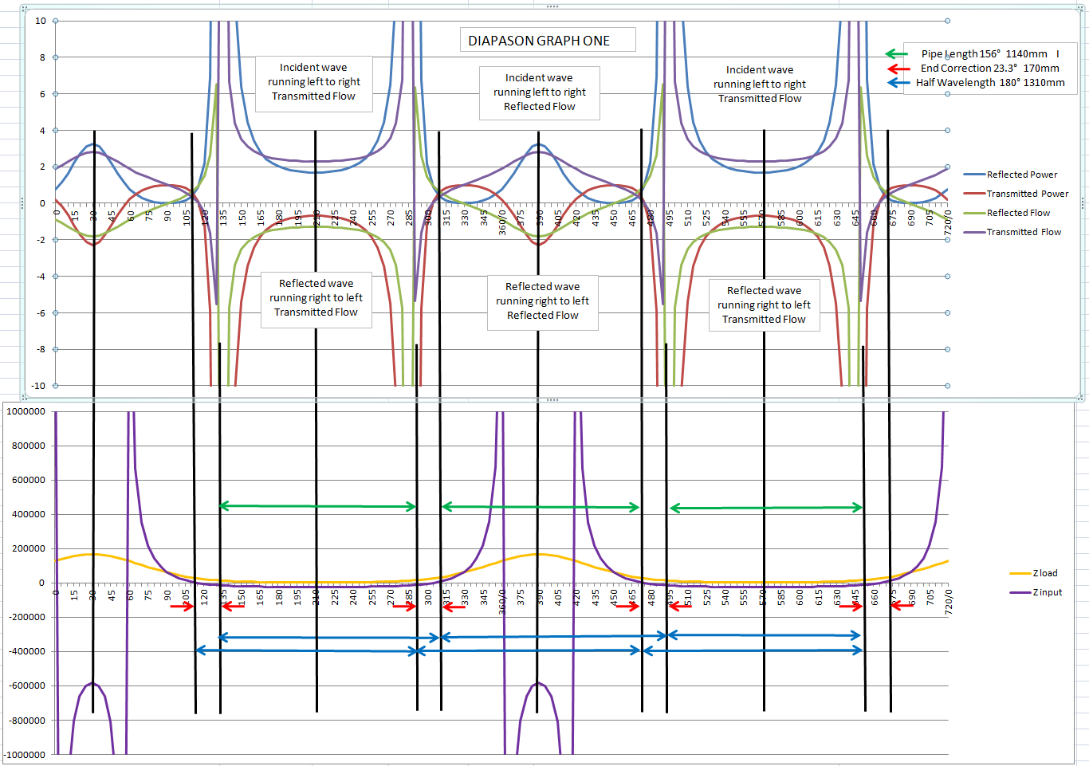

VIOLIN GRAPHS
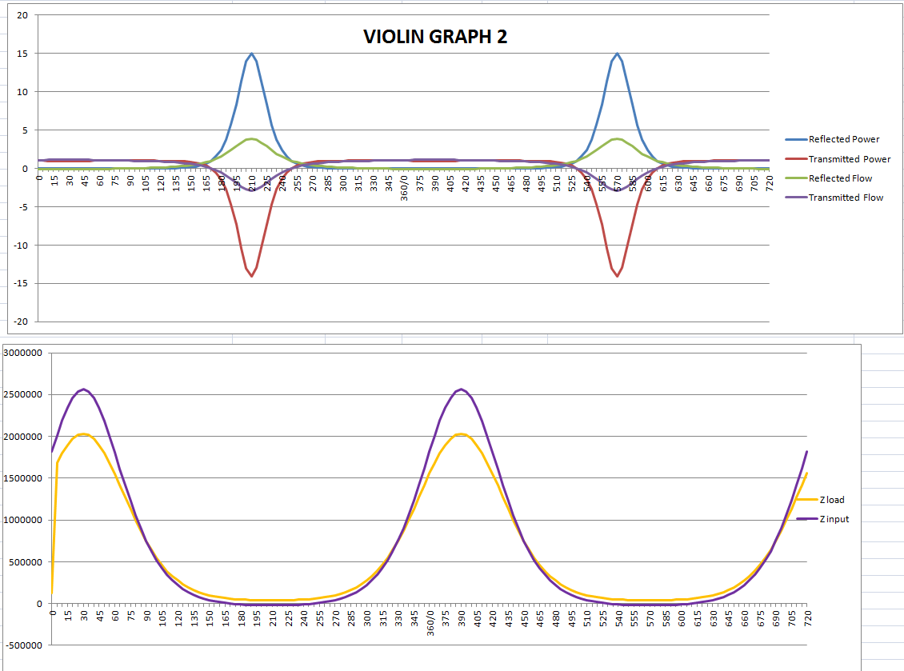

STOPPED FLUTE GRAPHS
